Sheet1
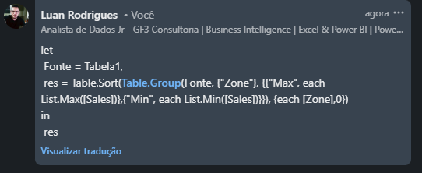
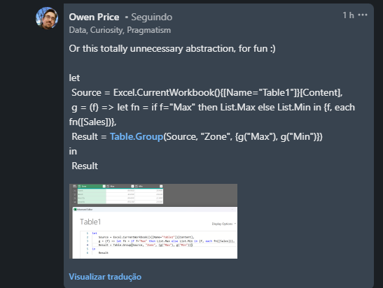
Zone | Sales | Answer Expected
East | 70900 | Zone | Max | Min
East | 86900 | East | 86900 | 30900
West | 33400 | North | 88400 | 11900
West | 42200 | South | 85100 | 10300
North | 74900 | West | 42200 | 16100
South | 85100
North | 88400
South | 27800
North | 11900
Encontre o máximo e o mínimo para todas as zonas.
North | 47300
North | 59700
West | 16100
East | 73400
South | 12500
South | 10300
East | 30900
West | 27600
West | 16600
East | 34700

